Instructions
61A207(P)(01-25)

2025

COMMERCIAL WATERCRAFT

PERSONAL PROPERTY TAX RETURN

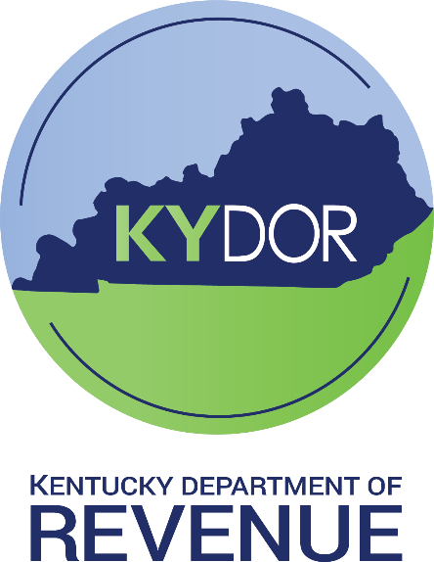

CENTRALLY ASSESSED BRANCH

DIVISION OF STATE VALUATION

OFFICE OF PROPERTY VALUATION

Reminders

 | NEW FOR TAX YEAR 2024: The Schedule A and Schedule C have combined, now all owned and/or operated vessels shall be reported on the same schedule. Note that now there is a Schedule A1 Double Hull vessels, Schedule A2 is Tug & Tow vessels, and Schedule A3 is all other vessels (ex. Single Hull vessels).

 | Taxpayers should complete and submit a 61A216 - Application for Pollution Control Tax Exemption Certificate when a potential Pollution Control Asset is purchased. The 61A216 - Application for Pollution Control Tax Exemption Certificate can be found on www.revenue.ky.gov.

 | Taxpayer may submit their completed tax return to the following email address: | CommWatercraft61A207@ky.gov

 | Refunds - Pursuant to KRS 134.590(6), a taxpayer seeking a refund of taxes paid to a local taxing entity (such as a board of education) must file a refund request with that taxing entity within two years of payment of the taxes, unless the taxpayer has instituted litigation against the local taxing entity. Each claim or application for a refund shall be in writing and state the specific grounds upon which it is based. See also OAG 83-202 (“KRS 134.590…requires that refund requests be filed with the Department of Revenue and any other taxing district that has received these taxes (city, county, school district, etc.) within two years from the date payment was made.”)

